Rental Percentage
Housing Stock (2024 Housing Report)
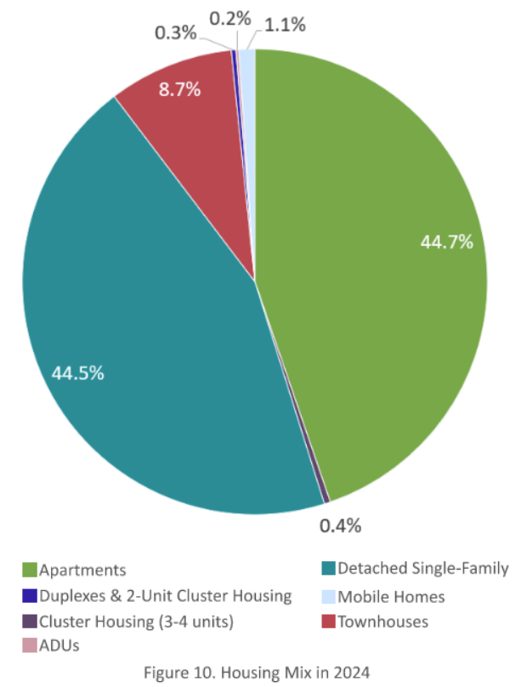
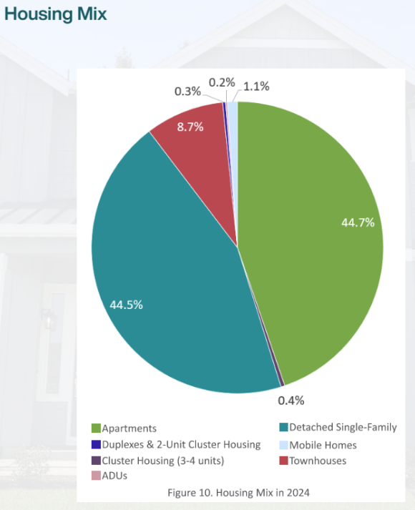
Apartments | 5,022 | 45.0%
Detached SFD | 4,993 | 44.5%
Townhouses | 979 | 8.8%
MFG Homes | 124 | 1.1%
3-4 Unit Clusters | 43 | 0.4%
Duplex | 41 | 0.4%
ADU | 22 | 0.2%
Total | 11,224 | 100%

Rentals (Approx) | 5,956 | 53.1%
US Census |  | 50.1%

